Product Pics
OEM Name | Speciales in | Website link (for reference) | Categories | Products | Pics
Rogers Corporation | High Frequency Laminates & Prepregs |  | RT/Duroid | RT/duroid 5880 | 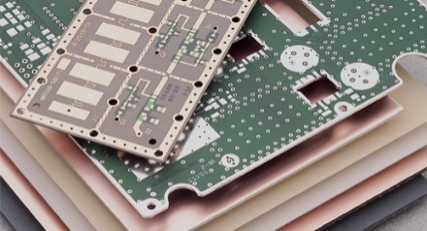
 |  |  |  | RT/duroid 5870
 |  |  |  | RT/duroid 5880LZ
 |  |  |  | RT/duroid 6002
 |  |  |  | RT/duroid 6006
 |  |  |  | RT/duroid 6010.2LM
 |  |  |  | RT/duroid 6035HTC
 |  |  | RO400 Series | RO4350B
 |  |  |  | RO4003C
 |  |  | RO300 Series | RO3003
 |  |  |  | RO3003G2
 |  |  |  | RO3006
 |  |  |  | RO3010
 |  |  | RO400 Series | RO4360G2
 |  |  |  | RO4835
 |  |  | TMM Series | TMM 3 | 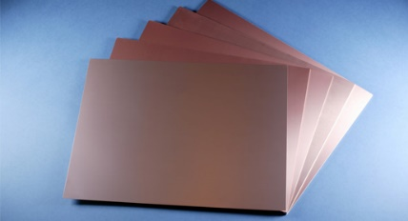
 |  |  |  | TMM 4
 |  |  |  | TMM 6
 |  |  |  | TMM 10
 |  |  |  | TMM 10i
 |  |  |  | TMM 13i
 |  |  | CLTE Series | CLTE-XT
 |  |  |  | CLTE-MW
 |  |  | DICLAD Series | DiClad 880
 |  |  |  | DiClad 870
 |  |  |  | DiClad 527
 |  |  |  | MAGTREX 555 |  |  | Magtrex
 |  |  | TC Series | TC350
 |  |  |  | TC350 Plus
 |  |  |  | TC600
 |  |  |  | RO4400 Bondply
 |  |  |  | RO4400T Bondply
 |  |  |  | 2929 Bondply |  |  | 2929 Bondply
 |  |  |  | CuClad 6250 Bonding Film
 |  |  |  | CuClad 6700 Bonding Film
 |  |  |  | SpeedWave 300P Prepreg |  |  | Speedwave 300P | XtremeSpeed RO1200
 |  |  |  | XtremeSpeed RO1200
Ohmega Ticer | Embedded Resistive Film |  | RCM Series | OhmegaPly® RCM – 0.5A10PT | 
 |  |  |  | OhmegaPly® RCM – 0.5A25PT
 |  |  |  | OhmegaPly® RCM – 0.5A40PT
 |  |  |  | OhmegaPly® RCM – 0.5A50PT
 |  |  |  | OhmegaPly® RCM – 0.5A100PT
 |  |  |  | OhmegaPly® RCM – 0.5A250PT
 |  |  |  | OhmegaPly® RCM – 0.5A377PT
 |  |  |  | OhmegaPly® RCM – 1A10PT
 |  |  |  | OhmegaPly® RCM – 1A25PT
 |  |  |  | OhmegaPly® RCM – 1A50PT
 |  |  |  | OhmegaPly® RCM – 1A100PT
 |  |  | TCR Series | TCR® 25N18P9X
 |  |  |  | TCR® 50N18P9X
 |  |  |  | TCR® 100N18P9X
 |  |  |  | TCR® 250A18P9X
 |  |  |  | TCR® 1KO18P9X
 |  |  | TCR EHF Series | TCR EHF® 25N18P8X
 |  |  |  | TCR EHF® 50N18P8X
 |  |  |  | TCR EHF® 100N18P8X
Fortify | 3D Printed Dielectric Parts |  |  | Radix™ 2.8 Dielectric Lens Material
 |  |  |  | Radix™ 4.6 Dielectric Lens Material
 |  |  |  | GRIN Dielectric Lens (Radix™ Platform)
 |  |  |  | 3D Printed Horn Lens
 |  |  |  | Switched Beam Antenna Lens
 |  |  |  | Field-of-View (FOV) Enhancing Lens
 |  |  |  | Tactical FOV Enhancing Lens
 |  |  |  | Low-Dk Printed Foam Spacer (Lens Adjacent)
Qorvo | High Power GaN Device and Beamforming IC |  | Power Amplifiers |  | 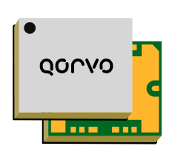  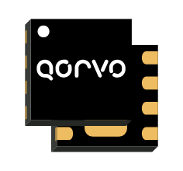 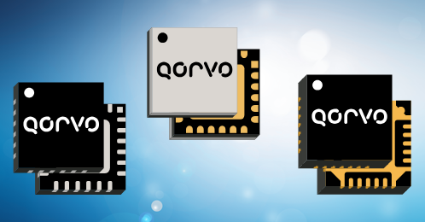  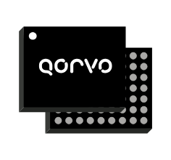    
 |  |  | Driver Amplifiers
 |  |  | Low Noise Amplifiers
 |  |  | Variable Gain Amplifiers
 |  |  | Beamforming Integrated Circuits
 |  |  | Front End Modules
 |  |  | Vpin Limiters
 |  |  | Mixers
 |  |  | GaN HEMTs
 |  |  | GaAs pHEMTs
RFuW Engineering | High Power Switches and Limiter |  | RF Limiters
 |  |  | RF Switches
Minicircuits | RF and MW Components |  | RF Adapters |  | 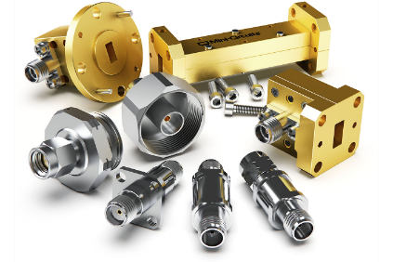 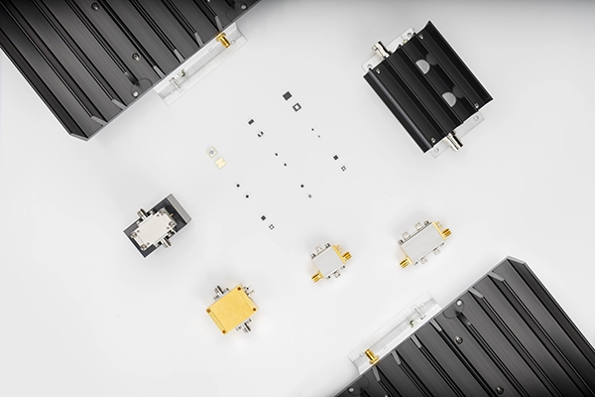 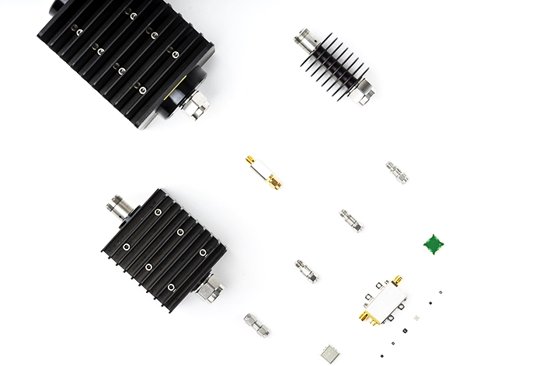 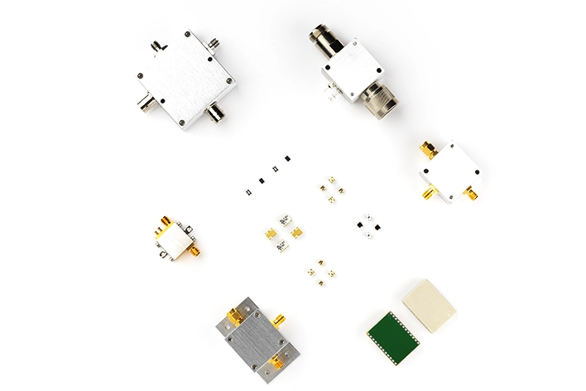 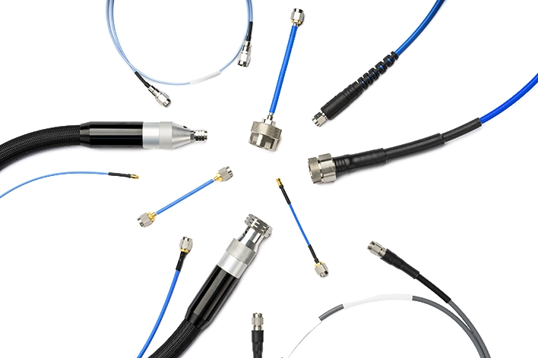 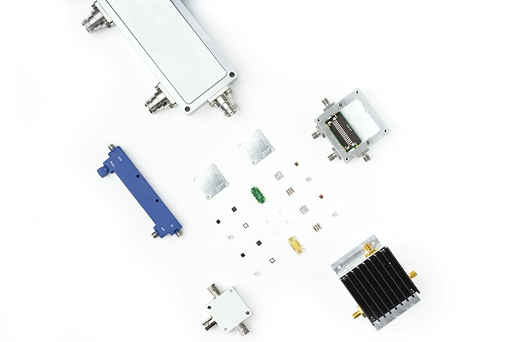 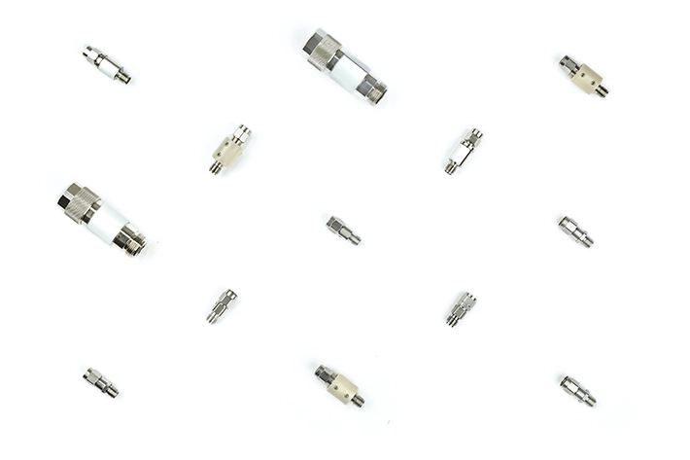 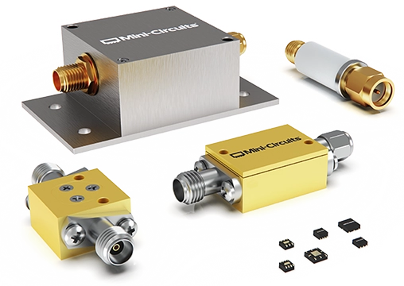 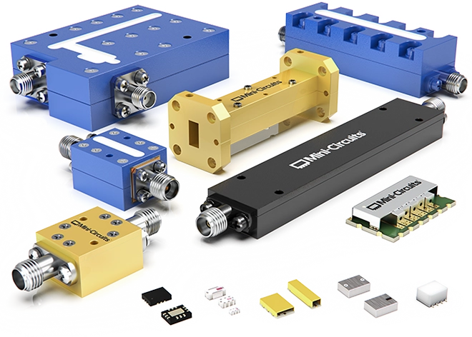 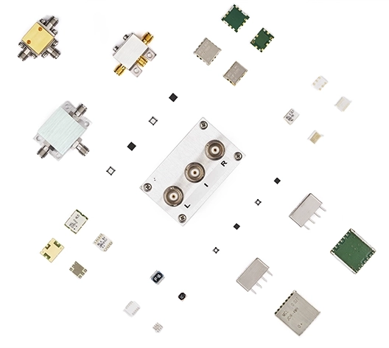 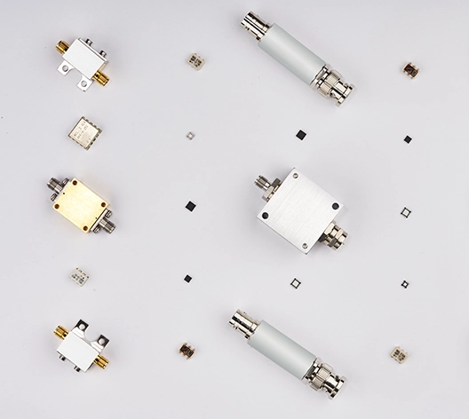 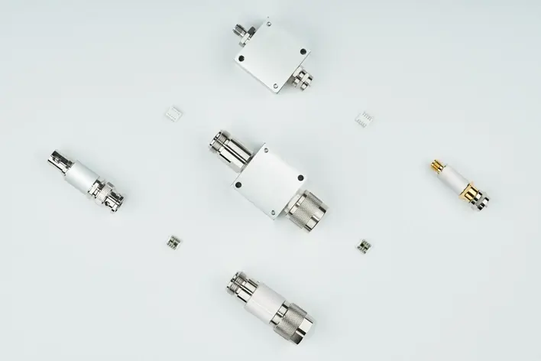 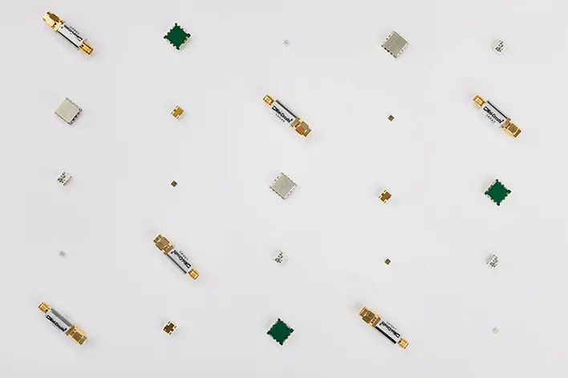 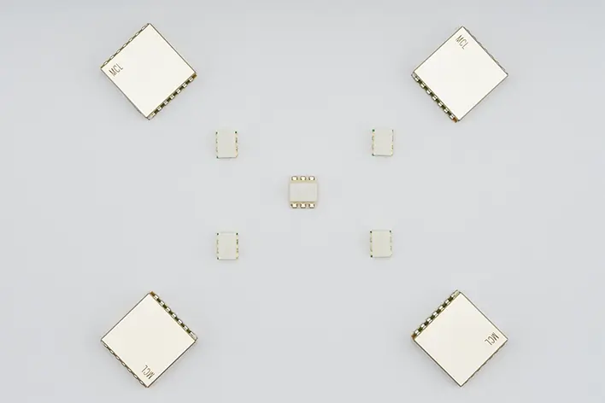 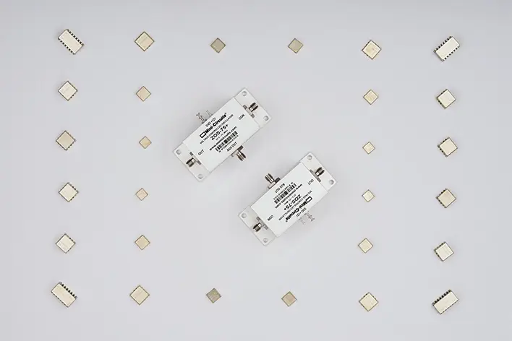 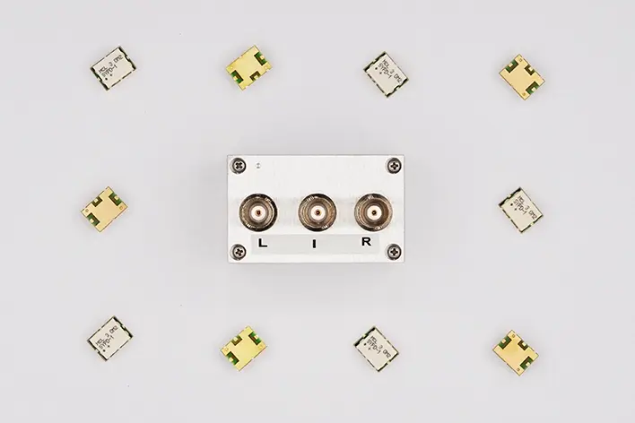 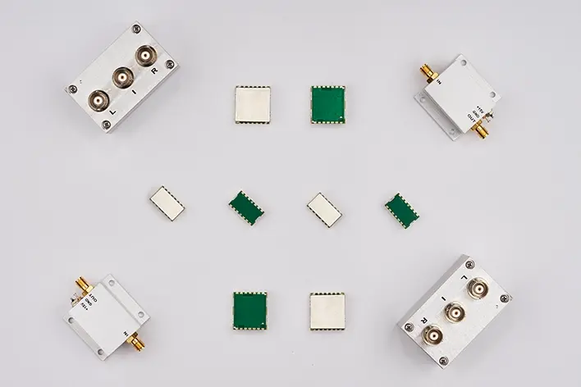 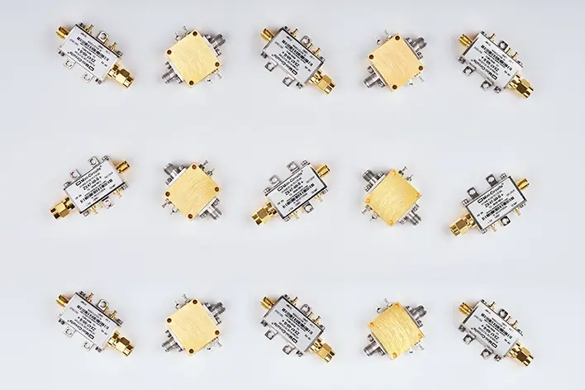 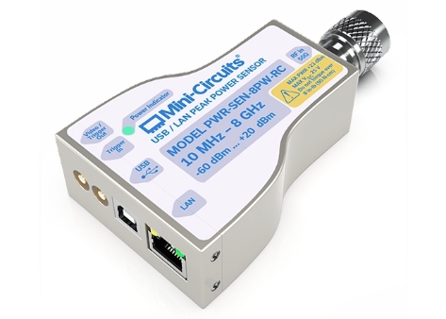  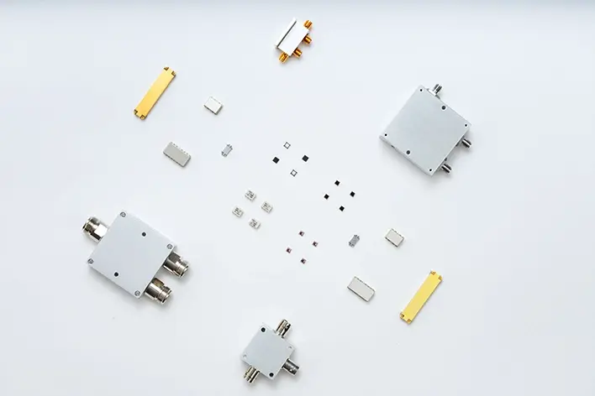 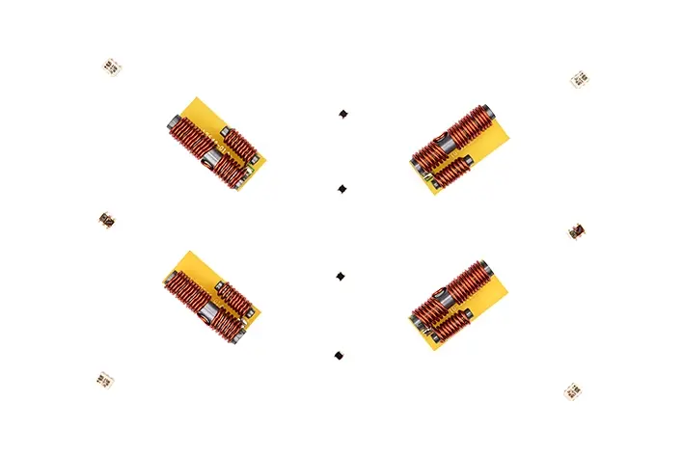 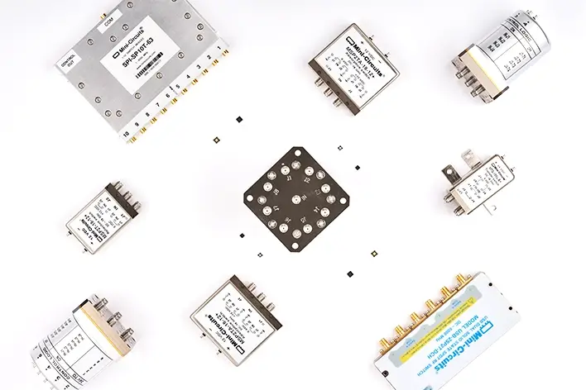 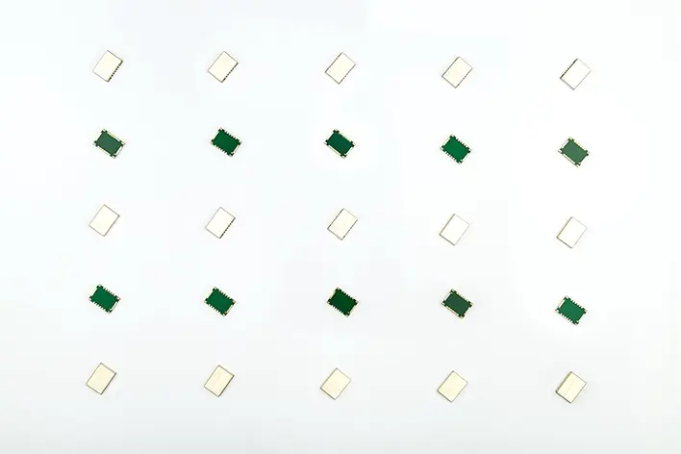 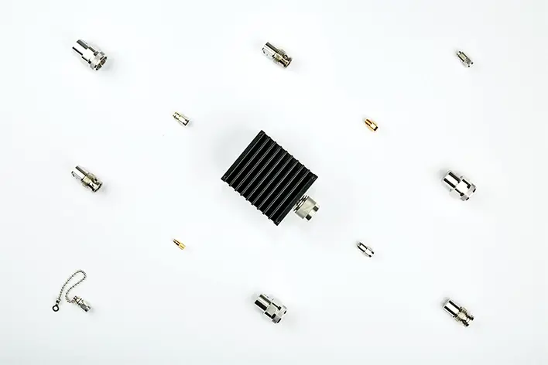 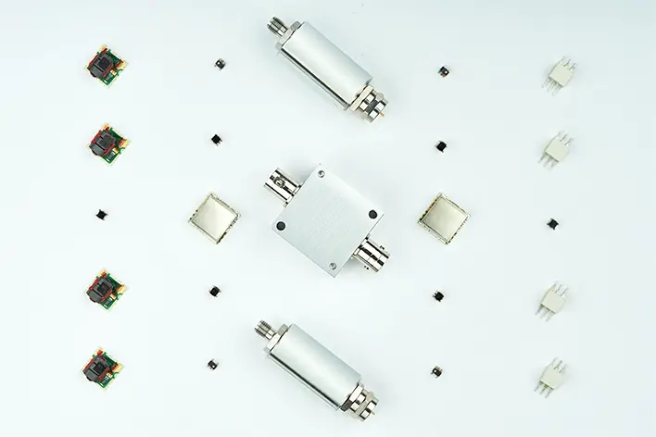 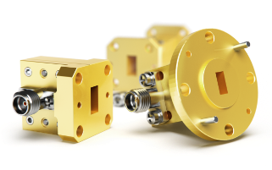
 |  |  | RF/MW Amplifiers
 |  |  | RF Attenuators
 |  |  | Bias Tees
 |  |  | RF/MW/MMW Cable asseblies
 |  |  | RF Couplers
 |  |  | RF /MW Custom Assemblies
 |  |  | DC Blocks
 |  |  | MMIC Die Parts
 |  |  | Equalizers
 |  |  | Filters
 |  |  | Frequency Mixers
 |  |  | Frequency Multipliers
 |  |  | Impedance Matching Pads
 |  |  | Limiters
 |  |  | Modulators / Demodulators
 |  |  | Oscillators
 |  |  | Phase Detectors
 |  |  | Phase Shifters
 |  |  | Power Detectors
 |  |  | Power Sensors
 |  |  | Power Splitters / Combiners
 |  |  | 90°/180° Hybrids
 |  |  | Reference Designs
 |  |  | RF Chokes
 |  |  | Research & Educational Kits
 |  |  | RF & Microwave Energy
 |  |  | Space Upscreening
 |  |  | Switches
 |  |  | Synthesizers
 |  |  | Terminations
 |  |  | Test Solutions
 |  |  | Instrumentation Amplifiers
 |  |  | Power Sensors
 |  |  | Precision Connector Gauges
 |  |  | Signal Distribution Systems
 |  |  | Signal Generation and Measurement
 |  |  | Solid State Switch Systems
 |  |  | Wrenches
 |  |  | Custom Test Systems
 |  |  | Transformers Baluns
 |  |  | Voltage Variable Equalizers
 |  |  | Waveguides
TriTeq | Tunable Filters |  | Harmonic Switched Filters |  | Product pictures not available
YTTEK | Software Defined Radios | https://yttek.com/ | Software-Defined Radio (SDR) |  | Product pictures not available in jpeg format
 |  |  | HyperSDR |  | Visit website
 |  |  | SDRspace
 |  |  | PluSDR
 |  |  | SDRone
 |  |  | 5G FR2 & 6G
Thermosen | Temperature Sensors |  | temperature sensors |  | Product pictures not available
TecDia | Thin Film Capacitors |  | Single Layer Capacitors |  | 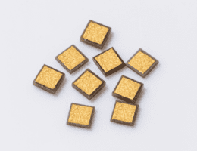 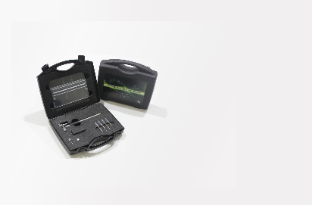
 |  |  | Tunable Dielectric Capacitors
 |  |  | Thin Film Substrates
 |  |  | Dispensing Nozzles
 |  |  | Diamond Products
 |  |  | Handy Wafer Scriber Kit
 |  |  | Diamond Pick Up Tools
Evans | Ceramic Capacitors |  | Eulex | XG1 Series- Binary
 |  |  |  | XG2 Series - 2 Terminal
 |  |  |  | XG3 Series - 3 Terminal
 |  |  |  | XQ Series - Ultra-High Q
 |  |  |  | XV Series - Vertical Layer
 |  |  |  | Substrates
 |  |  | Evans | TDD Series | 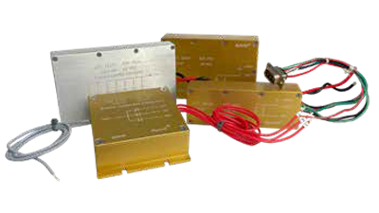
 |  |  |  | TDE Series
 |  |  |  | THS3 Series
 |  |  |  | THQ
 |  |  |  | THQA2/M2/T2 Series
 |  |  |  | HyCap Series
 |  |  |  | Capattery Series
 |  |  |  | Capacitor Banks
 |  |  | Paktron | Angstor
 |  |  |  | Capstick
 |  |  |  | Quencharc RC Snubber
 |  |  |  | New High Voltage MLP
 |  |  |  | Surfilm
 |  |  | UTC | MLCC (Low and Mid Voltage)
 |  |  |  | SMPS
 |  |  |  | Military (MIL-PRF 49470)
 |  |  |  | MegaCap Type (BC Series)
 |  |  |  | Pulse Energy
 |  |  |  | Radial Leaded
 |  |  |  | Discoidal
 |  |  |  | Planar Arrays
 |  |  |  | Safety Caps

NEE | PCB Fabrication |  | RF/Microwave PCB
Transline Technology | PCB Fabrication |  | RF/Microwave PCB

 |  |  |  |  |  | Transline

